NPVs
 | Number of plants | NPVs | Runtime
 | 10 | 842.69 | 497
 | 35 |  | 8800
New model | 10 | 842.7 | 1936.07

 | 1 | 0.172
 | 2 | 0.225
 | 3 | 0.164
 | 4 | 0.202 |  |  |  |  |  | price | methane | ratio
 | 5 | 0.162 |  |  |  |  | beat | 20 | 44 | 0.45454545455 | 75 nodes, large scale
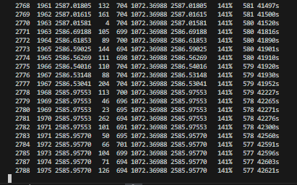
 | 6 | 0.162 |  |  |  |  | perm | 35 | 80 | 0.4375
 | 7 | 0.247 |  |  |  |  | rape | 50 | 123 | 0.40650406504
 | 8 | 0.128 |  |  |  |  | cereal | 65 | 208 | 0.3125
 | 9 | 0.187 |  |  |  |  | maize | 55 | 220 | 0.25
 | 10 | 0.096 |  |  |  |  | legume | 30 | 130 | 0.23076923077
 |  |  |  |  |  |  | clover | 20 | 102 | 0.19607843137
 |  |  |  |  |  |  | cattle_man | 0 | 36 | 0
 |  |  |  |  |  |  | cattle_slu | 0 | 16 | 0
 |  |  |  |  |  | restarted 50 nodes | horse_man | 0 | 56 | 0
 |  |  |  |  |  |  | pigh_man | 0 | 86 | 0
 |  |  |  |  |  |  | pig_slur | 0 | 8 | 0

 |  | Nodes | Type
 | godHelg | 35 | Full LAU | soon done | not done |  | manure added 45
 | Sunday | 100 | Small scale | killed | restarted | restarted with RAM limits |  | 50 RAM
 | manure | 35 | Large scale | soon done | 75 nodes
 | 100nodes | 100 | Large scale | No signs of improvement
 | 35nodes | 35 | Large scale with RAM

 |  |  |  |  |  |  | Kveld | Morgen
 | godHelg | 1043.53504 1149.26841 |  | 35 | 10.10% |  |  |  | 35 FlexEEG,upgrading,4cap, RAM
 | manure | 1201.43728 1931.20592 |  | 75 | 60.70% |  | 58.20% | 55.20%
 | Sunday | 1186.40019 1751.54666 |  | 50 | 47.60% |  | 36.40% | 33.60%
 | 35nodes | 1198.09743 1604.42819 |  | 35 | 33.90% |  | 33.20% | 31.80%
 | 100nodes | 1215.02596 2030.16896 |  | 100 | 67.10% |  | 63.70% | 63.70% | 35 2 alt, 3 cap, ghg remove, ram

